RGOLDETF
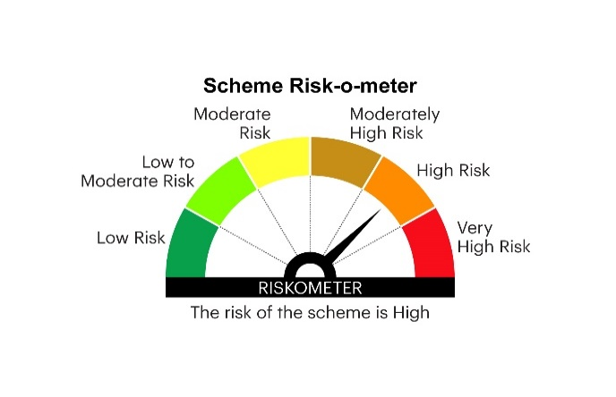
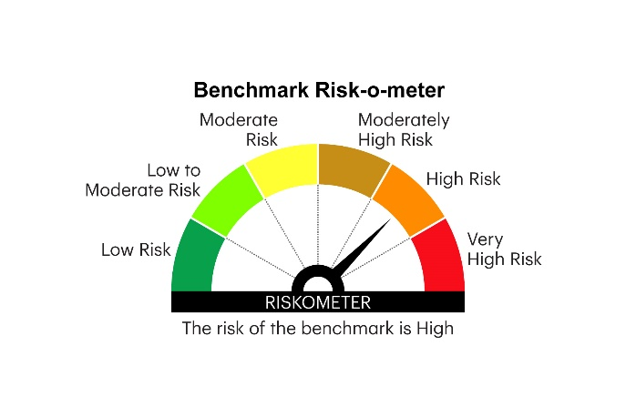
RGOLDETF | INVESCO MUTUAL FUND
 | Monthly Portfolio Statement as on May 31, 2025
 | Invesco India Gold Exchange Traded Fund (An open ended scheme tracking returns provided by investment in physical gold)(Script Code: NSE – IVZINGOLD; BSE - 533172)

 | Name of the Instrument | Quantity (in Kgs) | Market/Fair Value (Rs. in Lakhs) | % to Net Assets | YTM
 | Gold
GOLD100 | GOLD .995 1KG BAR | 287 | 27,318.95 | 98.48
 | Sub Total |  | 27,318.95 | 98.48
 | Total |  | 27,318.95 | 98.48
 | Money Market Instruments
 | TREPS / Reverse Repo
TRP_020625 | Triparty Repo |  | 34.59 | 0.12 | 5.84%
 | Sub Total |  | 34.59 | 0.12
 | Total |  | 34.59 | 0.12
 | Net Receivables / (Payables) |  | 386.48 | 1.40
 | GRAND TOTAL |  | 27,740.02 | 100.00

 | YTM - Yield To Maturity

 | Notes :
 | (1) Details of security in default beyond it's maturity date: Nil
 | (2) Total Value and percentage of illiquid equity shares: Nil
 | (3) Total outstanding exposure in derivative instruments as on May 31, 2025: Nil
 | (4) Total investments in Foreign Securities / Overseas ETFs as on May 31, 2025 and its percentage to NAV : Nil
 | (5) Deviation from the valuation prices given by valuation agencies during the month ended May 31, 2025: Nil
 |  |  |  |  | BENCHMARK NAME - PRICE OF GOLD
 | SCHEME RISK-O-METER |  |  |  | BENCHMARK RISK-O-METER

